Case study
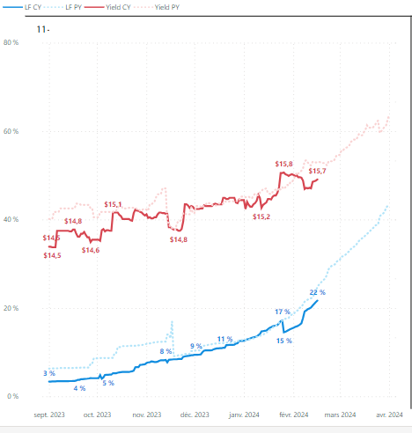
L'information présentée concerne une route YUL-ABC pour les départs des mois à venir (7 à 12) en 2024 (CY), comparé avec sa performance en 2023 (LY). |  |  | The information presented concerns a YUL-ABC route for departures in the coming months (7 to 12) in 2024 (CY), compared with its performance in 2023 (LY).

1 | Quel mois a connu le plus grand changement de capacité (ASM) depuis l'an dernier? Quel pourrait être l'impact de ce changement? |  | Which month has seen the biggest change in capacity (ASM) since last year? What could be the impact of this change?
2 | Quel mois a le plus grand TMC cette année? Le plus grand LF à date cette année, et le plus grand LF final l'an dernier? |  | Which month has the highest TMC this year? The biggest LF to date this year , and the biggest final LF last year ?
3 | Pouvez-vous situer quand les données ont été observées (Observation Date)? Les données réflètent-elles un moment éloigné du départ, ou plutôt rapproché du départ? |  | Can you pinpoint when the data were observed (Observation Date)? Does the data reflect a time far from the start, or rather close to it?
4 | Avec l'information que vous avez, êtes-vous en mesure de de connaître le nombre de départs par mois de cette route, ou d'identifier le mois avec le plus grand nombre de départs / sièges ? |  | With the information you have, are you able to determine the number of departures per month on this route, or identify the month with the highest number of departures/seats?
5 | Identifiez le mois ayant la meilleure performance cette année, et le mois ayant la pire performance? Expliquez pourquoi. |  | Identify the month with the best performance this year, and the month with the worst performance? Explain why.
6 | Est-ce que le mois ayant la pire performance est en cours d'amélioration? Expliquez, et au besoin, recommandez une stratégie. |  | Is the worst-performing month in the process of improving? Explain, and if necessary, recommend a strategy.
7 | Commentez sur la performance et stratégie en cours sur le mois 11, puis faites une recommandation sur une meilleure stratégie que celle en place actuellement. (Appuyez-vous sur tous les tableaux/graphiques présentés au besoin) |  | Comment on month 11's current performance and strategy, then make a recommendation for a better strategy than the one currently in place. (Rely on all tables/graphs presented if necessary).
8 | Selon vous, quel est le mois ayant récolté le plus de revenus jusqu'à présent? Expliquez. |  | Which month do you think has generated the most revenue so far? Please explain.

Performance - Market YUL-ABC (both directions included) by month. |  | Route: YUL-ABC (Outbound) - Percentage of flights by Fare Class (1-Q, 21-Y)

Performance - Market YUL-ABC by direction (Inbound: ABC-YUL, Outbound: YUL-ABC), all months combined |  | Route: ABC-YUL (Inbound) - Percentage of flights by Fare Class (1-Q, 21-Y)

Trends for Departures of Month 11 (LF Curve current year vs Past Year, Yield curve current year vs past year.)

